Table 1
2003 WORLD WOMEN'S LIST Compiled by _Qqn LUot

(marks received and verified by 9/16/03)
100 METERS 10.86 Chryste Gaines (US)...........GP Final..09/14 10.87 Kelli White (US)........Brussels GP..09/05 10.89 Chandra Sturrup (Bah)............ Rome GP..07/11 10.93 Torri Edwards (US)...........World Ch..08/24 10.97 Debbie Ferguson (Bah).............Durban..04/11 10.99 Zhanna Block (Ukr)........... World Ch..08/24 11.01 Christine Arron (Fra)........... World Ch..08/24 11.03 Ekaterini Thanou (Gre)........... World Ch..08/24 11.04 Muna Lee (US)........Mt. SAC Inv..04/19 11.07 Aleen Bailey (Jam)........... World Ch..08/24 11.08 LaTasha Colander-Richardson (US).......... Eugene GP..05/24 Muriel Hurtis (Fra)..........Zurich GP..08/15 11.09 Natasha Mayers (StV)........Mt. SAC Inv..04/19 Mary Onyali (Ngr).......... Texas Inv..05/03 11.11 Gail Devers (US)........... World Ch..08/24 Marina Kislova (Rus)............ Lucerne..06/25 11.12 Lauryn Williams (US)............. Pan-Am ..08/06 11. 14 Ivet Lalova (Bul)..............Sofia..06/15 11.15 Karin Mayr (Aut)............. Aut Ch..08/09 Erica Whipple (US)................SEC..05/18 Angela Williams (US)............. Pan-Am..08/06 11.16 Inger Miller (US).......... Modesto R..05/10 11.17 Brigitte Foster (Jam)............. Havana..05/31 11.20 Elva Goulbourne (Jam).............Jam Ch..06/20 Susanthika Jayasinghe (SrL)........... World Ch..08/23 Geraldine Pillay (SA).............Durban..04/11 Yuliya Tabakova (Rus)..............Malmo..08/12
Wind-aided: 10.79 10.88 10.95 10.97 11.04 11.06 11. 08 11.10 11.12 11.13 11.16 11.18 200 METERS 22.21 22 .11(A) 22.18i 22.28 22.3l(A) |  | Kelli White (US).....Home Depot Inv..06/01 Chandra Sturrup (Bah).......... Berlin GP..08/10 Christine Arron (Fra)..............Fr Ch..07/25 Muriel Hurtis (Fra).............. Fr Ch..07/25 Muna Lee (US)..........Tx R Univ..04/05 LaTasha Jenkins (US).....Home Depot Inv..06/01 Inger Miller (US)........Stanford GP..06/07 Fana Ashby (Tri)...............JUCO..05/10 Angela Williams (US).....Home Depot Inv..06/01 Patricia Girard (Fra)............. Geneva..06/14 Allyson Felix (US)............Norwalk..05/30 Monique Tubbs (US)..........Tx R Univ..04/05 Vida Anim (Gha).......... Berlin GP..08/10 Gloria Kemasuode (Ngr)..............Perth..02/08 Kelli White (US)..............USATF..06/22 Allyson Felix (US)........ Mexico City..05/03 Michelle Collins (US).......... World Ind..03/15 Torri Edwards (US)............ Rome GP..07/11 LaTasha Jenkins (US)........Mexico City..05/03
22.38 22.41 22.45 22.49i 22.50(A) 22.59 | Anastasiya Kapachinskaya (Rus)........... World Ch..08/28 Muriel Hurtis (Fra)........... World Ch..08/27 Cydonie Mothersill (Cay)............. CAC Ch..07/06 Muna Lee (US)........... NCAA Ind..03/14 Debbie Ferguson (Bah)...........Pretoria..04/04 Aleen Bailey (Jam)............. Jam Ch..06/21
22.60 Mary Onyali (Ngr) Abuja..05/17 22.61 Zhanna Block (Ukr)........... World Ch 08/27 22.63i Veronica Campbell (Jam)......Razorback Inv 02/14 Connie Moore (US).............NCAA E 05/31 22.64 Kim Gevaert (Bel)........V-d'Ascq GP 06/15 22.66 Anzhela Kravchenko (Ukr)........... World Ch 08/27 Yuliya Tabakova (Rus).............. Malmo 08/12 22.67 Beverly McDonald (Jam)... ....... Rethymnon 07/06 Inger Miller (US)..............USATF 06/22 22.69 Juliet Campbell (Jam).............Jam Ch 06/21 Roxana Diaz (Cub)..... ........ Pan-Am 08/08 22.70 Marina Maydanova (Ukr)..... .... ...Velenje 06/22 22.71 Natalya Safronnikova (Blr).......... Rethymnon 07/06 22.76i sylviane Felix (Fra).. ... ........ Lievin 02/23 22.78 Ionela Tirlea (Rom). .... ...... Euro Cup 06/22 22.79 Svetlana Goncharenko (Rus)............. Moscow 07/15 Lauren Hewitt (Aus)..... . ..... Adelaide 02/06 22.80i Sanya Richards (US)........... NCAA Ind 03/14 Tonique Williams (Bah).............CAC Ch 07/06 Wind-aided: 22.41 Cydonie Mothersill (Cay)............ .CAC Ch 07/05 22.69 Farra Ashby (Tri)...............JUCO 05/10 400 METERS 48.89 Ana Guevara (Mex)..... ...... World Ch 08/27 49.43 Lorraine Fenton (Jam)........... World Ch 08/27 49.78 Natalya Nazarova (Rus)...... .. ..... Rus Ch 08/09 49.95 Amy Mbacke Thiam (Sen)...........World Ch 08/27 50.24 Tonique Williams (Bah).......... Zurich GP 08/15 50.39 Olesya Zykina (Rus)..... ..... ...Rus Ch 08/09 50.43 Jana Pittman (Aus)...... ....... Sydney 03/22 50.53 Jearl Miles Clark (US)..........Zurich GP 08/15 50.58 Sanya Richards (US)....... ........ NCAA 06/14 50.59 Anastasiya Kapachi

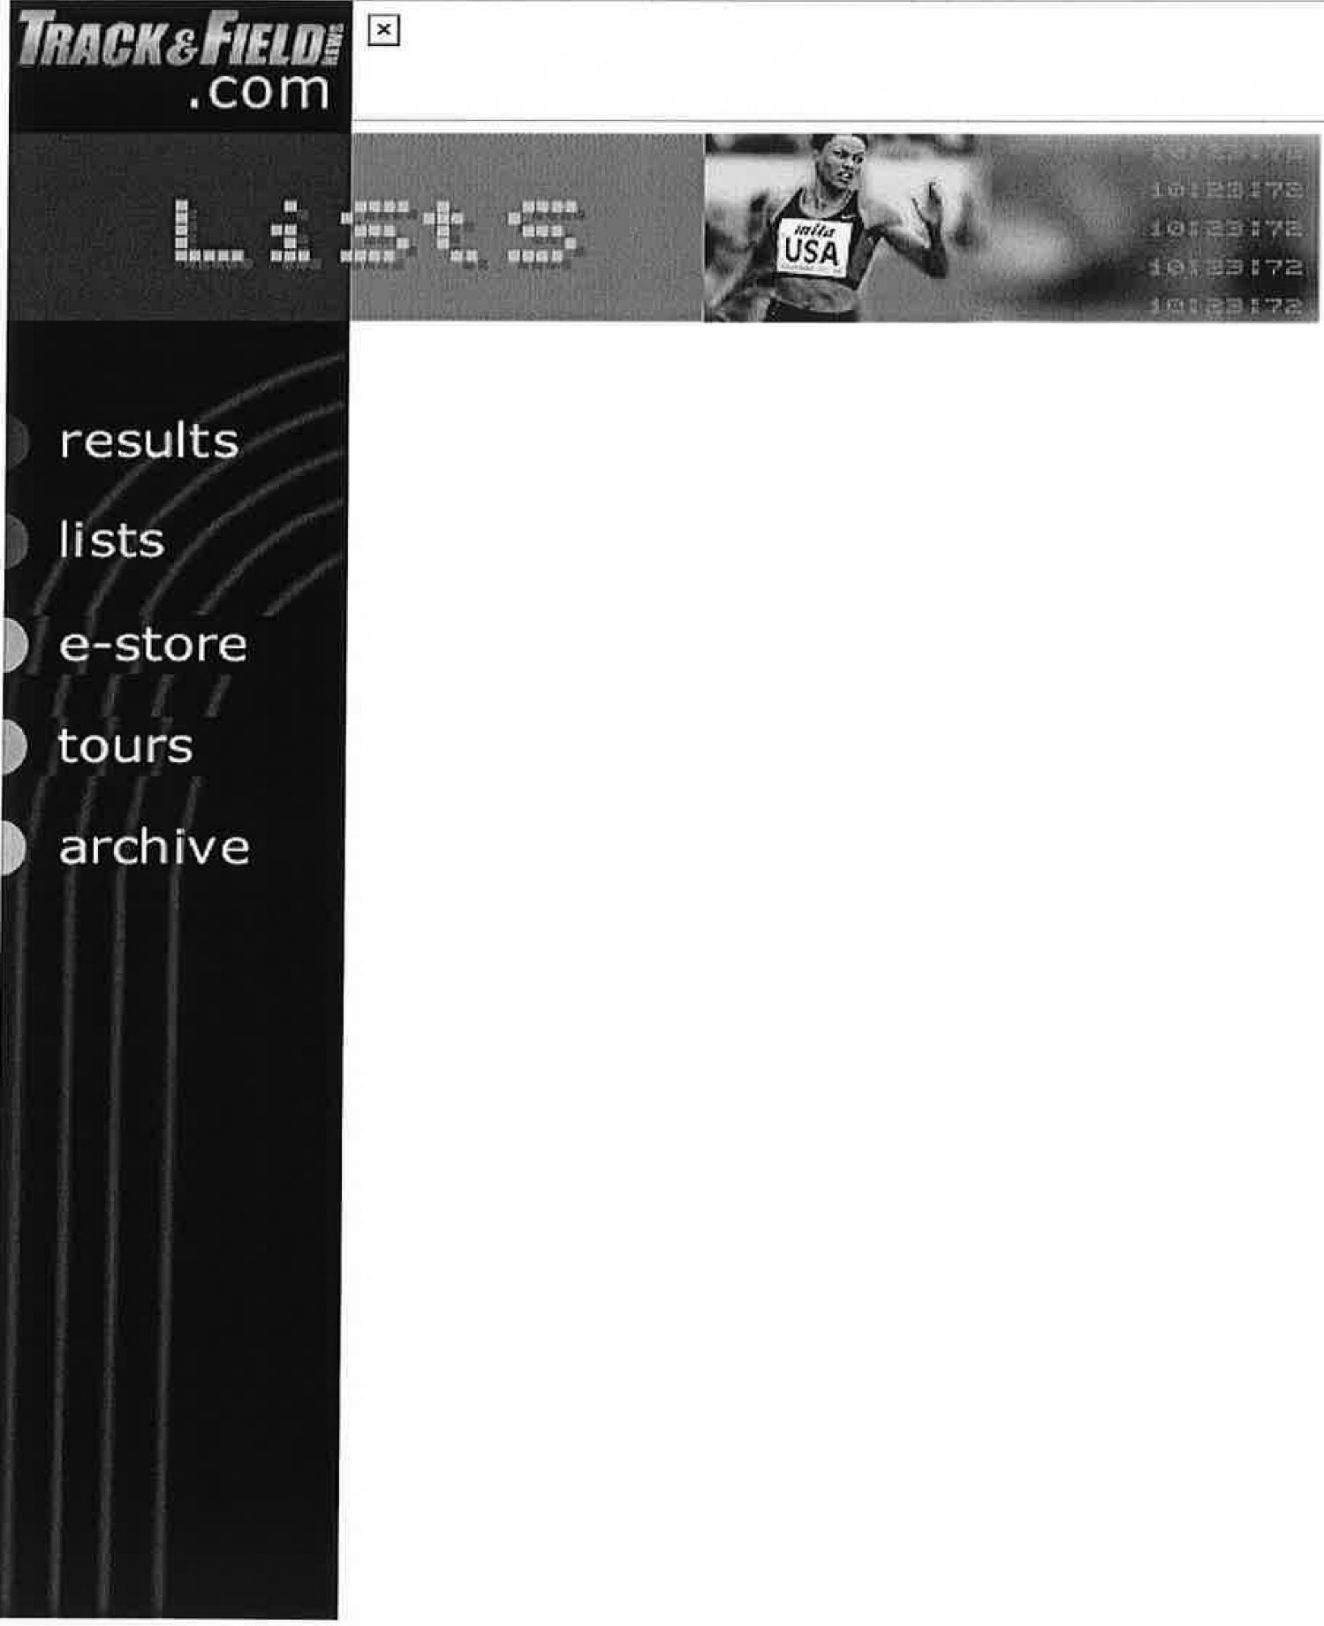

2000 World Men's Outdoor Lists
compiled by Dan Lilot with a debt of gratitude to Richard Hymans for his invaluable assistance (final 2000 lists)
Symbols: (A)=altitude over 1000m (in affected events only); +=converted mark; !=secondary mark in field event series; i=indoor mark; w=decathlon mark in which the wind in at least one event exceeds 4.0mps; h=decathlon mark that includes hand times. #=relay team that includes citizens of more than one country (?=relay team with mixed-nationality personnel unconfirmed).
100 METERS
9.86 |  |  | *Maurice Greene |  |  |  |  | (Nik)
9.95 |  |  | .............. ........ Ato Boldon |  |  |  |  | (Tri)
9.96 |  |  | ........... .. . ..... *Jon Drummond |  |  |  |  | (Nik)
9.97 |  |  | Francis Obikwelu |  |  |  |  | (Ngr)
 |  |  | Obadele Thompson |  |  |  |  | (Bar)
9.98 |  |  | .................... *Coby Miller |  |  |  |  | (Aub)
9.99 ....... ..... .... *Bernard Williams (Fl)
10.01 ................... *Mike Marsh (SMTC)
....... ... *Tim Montgomery (Asics)
10.02 ......... ... . ..... *Brian Lewis (Reeb)
(10)
10.04 10.0S(A) 10.06 |  |  |  |  | *Kenny Brokenburr (Nik) *Terrence Trammell (SC) *Kaaron Conwright (SLO) Chris Williams (Jam) Donovan Bailey (Can)

... ...... .... Darren Campbell (GB)
............. . *Tony McCall (Reeb)
....... ... Abdul Aziz Zakari (Gha)
10.07 ..... ............. Lindel Frater (Jam)
.... ........ *Curtis Johnson (Nik)
(20)
10.08 .... .... ...... .... Dwain Chambers (GB)
...... ......... *Greg Saddler (US)
............. ... Bruny Surin (Can)
10.09 .. ........... Llewellyn Bredwood (Jam)
.... ......... . Jason Gardener (GB)
*Dennis Mitchell (US)
10.10 Patrick Johnson (Aus)
...... .... Mark Lewis-Francis (GB)
...... ........ Roland Nemeth (Hun)
10.11 ................ *Marquis Davis (MemE)
(30)
Shingo Kawabata (Jpn)
..... ... ... Matt Shirvington (Aus)
10.12 *John Capel (adi) *Bryan Howard (adi) Dwight Thomas (Jam)
10.13 ....... ....... Antoine Boussombo (Gab)
(A) ........... .. Kim Collins (StK)
(A) .......... Andre da Silva (Bra)
............... David Patros (Fra)
... ...... Angelos Pavlakakis (Gre)
(40)
Yanes Raubaba (Ina)
10.14 Elston Cawley (Jam) .......... .. Patrick Jarrett (Jam) ............. . Freddy Mayola (Cub)

10.15 ... . ...... .. .......... Deji Aliu (Ngr)
....... . Leonard Myles-Mills (Gha)
10.16 ......... .... *Lawrence Armstrong (Tx)
...... .... Stephane Buckland (Mri)
............. *Chris Chandler (Nb)
..... ...... *Shawn Crawford (Clem)
(50)
Claudinei da Silva (Bra)
....... . Konstadinos Kederis (Gre)
*Jeff Laynes (Reeb)
Wind-aided:
9.88 *Miller
9.90 ................................ *Marsh
9.94 ............ . . ................. *Howard
9.96 ................................ *Lewis
...................... *Montgomery
9.99 ......... ...... .. . . .. Ray Stewart (Jam) 10.oo . . . . . . . . . . . . . . . . . . . . . . . . . . . . . . . Bailey
.... .... .... *Michael Bennett (Wi)
............ .... .... ...... . Mayola
10.02 ........ .... ......... ..... .. Boussombo
....... ... .... ........ .... Collins
10.04 ..... ... ...... .. ... .... . . .... Gardener
................. . . . .... *Mitchell
...................... C. Williams
10.05(A) ........ ..... ... Wayne Fenton (Jam)
.......... ... ..... Ian Mackie (GB)
Surin
10.06(A) Oumar Loum (Sen)
(A) .... . . Patrick van Balkom (Hol)
10.07 .............. .... . . ....... *Armstrong
............. ..... ....... Bredwood

10.09(A) ... ......... ... Nnamdi Anusim (Ngr)
... .... ...... *Darvis Patton (TCU)
10.10 ........................ ........ . Aliu
........... ............... *Laynes
10.11 ...... ........ .... *Randall Evans (US)
......... . *Dwight Phillips (AzSt)
10.12 .. ... ...... *Vincent Henderson (Asics)
....... ...... Donovan Powell (Jam)
............ Patrick Stevens (Bel)
10.13(A) ............. .. Kenneth Andam (Gha)
..... ........ Raymond Ejiogu (Ngr)
......... Luis Alberto Perez (Cub)

10.14 *Travis Grant (Nik)
....... .. *Rohsaan Griffin (Asics)
.............. *Floyd Heard (SMTC)
.................. Geir Moen (Nor)
...... ..... Konstantin Rurak (Ukr)
10.15 ....... ...... . .... Paul Di Bella (Aus)
*Jarmiene Holloway (NewE)
200 METERS
19.71(A) ..... ....... *Michael Johnson (Nik)
19.85 ..... ..... ..... ..... *John Capel (adi)
19.88 ..... ....... ...... *Floyd Heard (SMTC)
19.96 ....... ....... ..... *Coby Miller (Aub)
19.97 ........ .. . . ......... Ato Boldon (Tri)
Obadele Thompson (Bar)
20.01 Francis Obikwelu (Ngr)
20.02 ........ ....... . *Maurice Greene (Nik)
.......... ... Chris Williams (Jam)
20.03 ............... *Bernard Williams (Fl)
(10)
20.04 ............. . *Kenny Brokenburr (Nik)

Track and Field News: Lists Page 5 of 51
20.09 ............... *Shawn Crawford (Clem)
..... . . . Konstadinos Kederis (Gre)
20.13 20.17(A) |  |  |  |  |  |  | Darren Campbell (GB) Andre da Silva (Bra)
.............. *Jon Drummond (Nik)
20.19 ...... ......... Christian Malcolm (GB)
20.20(A) ............... Wayne Johnson (Jam)
20.21(A) .................. Oumar Loum (Sen)
20.23 ... .... ... .. . Claudinei da Silva (Bra)
(20)
2 O. 23(A) ............ *Ja'Warren Hooker (Wa)
Abdul Zakari (Gha)
20.26 *Mike Marsh (SMTC) Shingo Suetsugu (Jpn) 20.27 *Marquis Davis (MemE)
20.29 ................ . *Darvis Patton (TCU)
20.30 ..... .. . . . . ... .... *Ramon Clay (Asics)
.......... .. *Brandon Evans (TxAM)
...... ......... *Kevin Little (TQ)
20.31 |  |  |  | .... ... ........ Joseph Batangdon |  |  |  | (Cmr)
(30) |  |  |  | Stephane Buckland |  |  |  | (Mri)
20.33 |  |  |  | (A) ............. Kim Collins ............. .. Ricardo Williams |  |  |  | (StK) (Jam)
20.35 ......... ... .... Marcus la Grange (SA)
20.36(A) ......... . Patrick van Balkom (Hol)
20.39 *Dennis Mitchell (US) 20.40 Patrick Stevens (Bel)
20.42 ........... . . *Rohsaan Griffin (Asics)
20.43 ................... Marcin Urbas (Pol)
(A) ... ....... Darryl Wohlsen (Aus)
(40)

......... .. . .. ........ . *Jerome Young (adi)
20.44(A) ...... ... ..... *Randall Evans (adi)
20.45 ... ... .... ... *LeShaunte Edwards (Akr)
20.47 .. ......... ....... *Derrick Brew (LSU)
............. Tommi Hartonen (Fin)
20.48 ... ........ Alessandro Cavallaro (Ita)
...... . ...... *Brandon Couts (Bay)
20.49(A) ........... Antoine Boussombo (Gab)
...... .. . ..... Pierre Browne (Can)
20.50 ....... ...... . Christophe Cheval (Fra)
(50)
Sayon Cooper (Lbr)
(A) ....... ...... *Leon Settle (US)
Christie van Wyk (Nam)
Wind-aided:
19.93 *Greene
20.10 ....... . .............. .. . .. .... *Marsh
20.17(A) .............. ........ ..... *Settle
20.18 Collins

20.19 ............. .. ............ ...... Loum
20.25 ...... .... ........ ............ Stevens
20.31 .......... ...... ... .... .. .. .... *Young
20.34 . . .... .. . .. ... .... . . .... ..... *Edwards
20.35 ............................ Boussombo
*Tony McCall (Reeb)
20.37 Elston Cawley (Jam) (A) ....... *Milton Mallard (Asics)
20.38 ..... ..... .. . .. ... *Chad Bullett (Akr)
20.41 ......... ........ ............ *Griffin
(A) ...... ....... *Jake Jensen (US)
20.42(A) ..... .. ... ... *Aaron Armstrong (Fl)
.......... Dominic Demeritte (Bah)

20.44 .... ......... *Lawrence Armstrong (Tx)
400 METERS 43 .68 |  |  |  |  |  |  | *Michael Johnson (Nik)
44.18 ....... .... .. ... *Alvin Harrison (Nik)
44.57 *Antonio Pettigrew (adi) 44.59 Hendrik Mokganyetsi (SA)
44.64 ............... *Calvin Harrison (Nik)
44.65 .... ........ .. Sanderlei Parrela (Bra)
44.66 .... . .... ...... . Hamdan Al-Bishi (Sau)
... . .. ...... . Ibrahim Ismail (Qat)
44.69 .............. Michael Blackwood (Jam)
44 .70 ...... ....... .... . *Derrick Brew (LSU)
(10)
Greg Haughton (Jam)
*Jerome Young (adi)
44.72 ......... ...... .. *Brandon Couts (Bay)
...... .... ..... Avard Moncur (Bah)
............. Mark Richardson (GB)
......... *Tyree Washington (Reeb)
44.73(A) ......... .... ...... Pat Dwyer (Aus)
44.74 ........... ..... . Arnaud Malherbe (SA)
44.78 ......... ...... *Ja'Warren Hooker (Wa)
44.80 ............ .. *Anthuan Maybank (Reeb)
(20)
44.87 ........... ........ Eric Milazar (Mri)
... ....... ........... *Andrew Pierce (OhSt)
44.89 ............. ... . *Angelo Taylor (Nik)
44.92 ......... .... Alejandro Cardenas (Mex)
44.99(A) ............. Marcus la Grange (SA)
45.00 *Leonard Byrd (Nik)
*Danny McCray (Nik)
45.01 .......... ... .. Robert Mackowiak (Pol)

45.02 ................. .... *Geno White (Fl)
45.03 ... . . ...... ... Takahiko Yamamura (Jpn)
(30)
45.05 Jun Osakada (Jpn) 45.06 Jamie Baulch (GB)
45.06 .................. Davian Clarke (Jam)
45.08 ...... ...... ........ Chris Brown (Bah)
45.09 ...... .... ........ *Jerome Davis (Nik)
45.20 ...... .............. Sean Baldock (GB)
45.24 ...... ....... .. Michael McDonald (Jam)
(A) ............. Juan Toledo (Mex)
............ .. Ibrahima Wade (Fra)
45.25 ...... .. ....... .... Rohan Kumara (SrL)
(40)
45.26(A) .... ... ...... *Johnny Collins (TCU)
......... ..... *James Davis (Gold)
............ ...... Dmitriy Golovastov (Rus)
....... ..... Danny McFarlane (Jam)
45.28 ..... .... ......... Troy McIntosh (Bah)
45.31(A) .... ............ *Kempa Busby (Nik)
......... ....... Marc Raquil (Fra)
.... .... Sugath Tillakeratne (SrL)
45.32 .......... ...... Ilya Dzhivondov (Bul)
45.35 800 METERS 1:43.12 |  |  |  |  |  | Alessandro Attene (Ital Andre Bucher (Swi)
1:43.25 .. ......... Djabir Said Guerni (Alg)
1:43.35 ........... ... Wilson Kipketer (Den)
1:43.74 .. . ......... ..... Andrea Longo (Ita)
1:43.84 .... ..... .... William Chirchir (Ken)
1:43.87 .. ......... ... Japheth Kimutai (Ken)
1:43.97 ............. ..... David Lelei (Ken)
...

